TDimpute-DNAmeth datasets
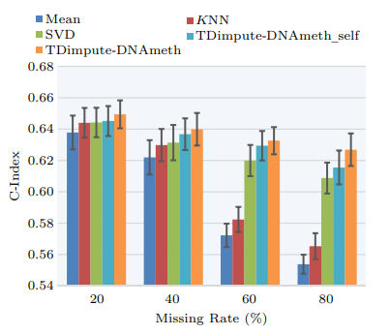
GLF6mA datasets
Source paper | TDimpute-DNAmeth
Download link | None
Organism | Rice
Level | DNA
Length | >200 bp
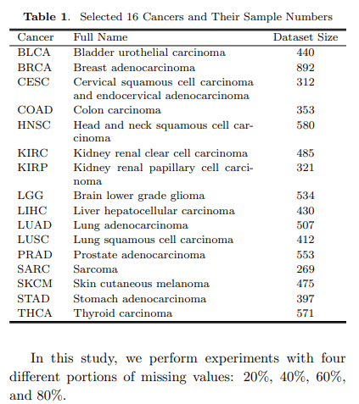
data | 7531

DL paper used this data | P22 | GLF6mA | 2022-03-08 | P22

